Dashboard
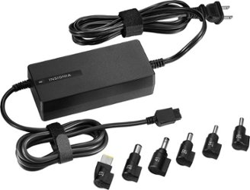
AK Enterprises
Charger Sales


Total Sales
Total Operating Profit
Units Solds
Average Price
1201666500
24788610
₹ 45.22
4722497

 | Sales by Chargers Brand |  |  |  | Sales by Retailer
 | Brand | Sales 2022 | Sales 2023 | Variance | Retailer | Sales 2022 | Sales 2023 | Variance
 | Acer | 49910200 | 226897490 | 176987290 | Amazon | 74299800 | 333730520 | 408030320
 | Apple | 46927070 | 191782780 | 144855710 | Flipkart | 16121010 | 226282710 | 242403720
 | Asus | 34953390 | 130252930 | 95299540 | RelianceDigital | 33991250 | 58021100 | 92012350
 | Dell | 36657800 | 135357830 | 98700030 | Croma | 117036160 | 207059420 | 324095580
 | HP | 42375870 | 163395930 | 121020060 | VijaySales | 925030 | 134199500 | 135124530
 | Lenovo | 31548920 | 111606290 | 80057370 | Grand Total | 242373250 | 959293250 | 1201666500
 | Total | 242373250 | 959293250 | 716920000 | Total | 0 | 0 | 0

 | Sales and Operating Profit Margin by Quarter
s
AK Ent. Sales
 | Sales | Operating Profit Margin
Qtr1 | 69277610 | 0.40174683544
Qtr2 | 64420390 | 0.4
Qtr3 | 71917040 | 0.41026548673
Qtr4 | 36758210 | 0.40243816254
Qtr1 | 187758430 | 0.4165704501
Qtr2 | 237942480 | 0.42755819477
Qtr3 | 280575250 | 0.43470170455
Qtr4 | 253017090 | 0.42483932854

